Instructions
 | Healthy School Lunches programme
 | The following tools have been developed to support you in tracking your expenses for the programme. Both tools are completely voluntary. If you have any questions or require additional support with the tool, please reach out to your Senior Advisor or email school.lunches@education.govt.nz.
 | Instructions for using the Cashbook Tool
 | The cashbook has been developed as a simple way to keep track of your expenses for each term. The cashbook tool is linked to the End of Term Financial Report tabs for each term. Information from the cashbook will be automatically populated into the End of Term Financial Report tabs.
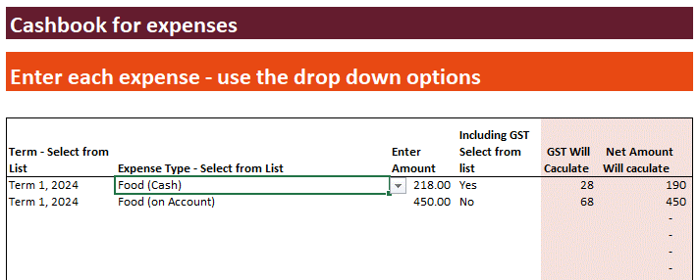
 | How to complete the cashbook tool
1 | Select the term that the expense relates to:
 | Term 1, 2026
 | Term 2, 2026
 | Term 3, 2026
 | Term 4, 2026

2 | Select the type of expense:
 | Food (on Account)
 | Food (Cash)
 | Resourcing (Wages)
 | Packaging (Disposable and Reusable)
 | Delivery (if multiple sites)
 | Waste Management
 | Operating Costs / Maintenance
 | Other

3 | Enter the $ amount

4 | Select whether the amount you have entered includes GST or not

5 | GST will auto calculate and the details will appear in the summary on the cashbook tool and auto-populate in the appropriate EOT Financial Report tab

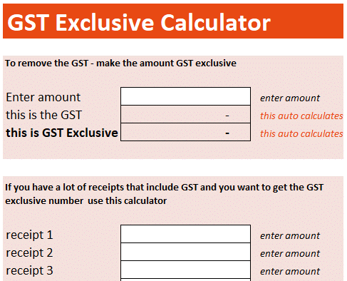
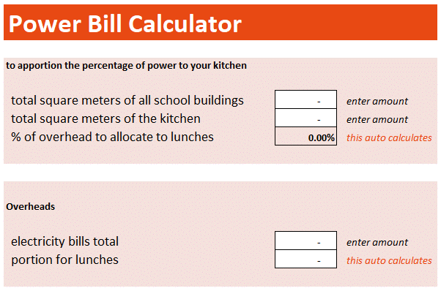
 | Instructions for using the Calculator Tools
 | The calculator tool helps to tally receipts, removes GST and works out how much of the schools power bill you can claim for the programme.

 | To remove the GST - make the amount GST exclusive |  | Power Bill Calculator
1 | Enter the total amount of the expense | 1 | Enter the total square metres of all of the buildings in the school or kura
2 | The amount of GST and the GST exclusive amounts with automatically calculate | 2 | Enter the square metres of the kitchen used for the Healthy School Lunches programme
 | Remember to use the GST exclusive amounts in all of your reporting
 |  |  | This calculates the percentage of overhead expenses that relate to the programme and therefore a $ figure you can add to your End of Term Financial Report.

