Instructions
How to use the School Error Report Summary Calculator

This template is designed to assist you in confirming the financial data that should be included in your annual financial statements. This calculator summarises the financial errors that occurred with payroll that need to be adjusted for in your financial statements. Below are a set of instructions which outline how to use the summary calculator found on the next tab.

Annually the Error reports increase in size. This increases the difficulty in ensuring that the amounts to be recorded on your financial statements remain accurate.

KEY: | BG | Bulk Grant
 | CF | Centrally Funded
 | TS | Teacher Salaries

Instructions
Step 1 | Open your Payroll error report.

Step 2 | From your error report received through EdPay, copy columns A through D. Highlight the full column by clicking in the header row and dragging your mouse across the header row to column D. The header row in Excel is indicated by the yellow highlight in the picture below. Press ctrl+c while the columns are highlighted.

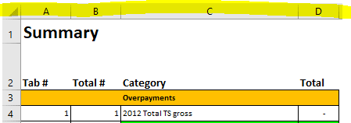

Step 3 | In this template on the 'Summary' tab, click on cell A1 and paste the copy you made of the information in the error report, by pressing ctrl+v. The word 'Summary' is currently in this cell A1. You will be pasting the information over this cell so ignore the current contents.

Step 4 | The amounts in the blue boxes (columns G and H) will calculate automatically. These amounts are what you will need to include in your financial statements.

 | Bulk grant overpayment - this relates to instances where overpayments have been made to board funded (bulk grant) funded employees of the school or kura.

 | Incorrectly coded to teacher salaries - this relates to instances where payments have been coded against teacher salaries but should be coded against bulk grant as they are not eligible for funding through teacher salaries. These amounts should be charged to either bulk grant or central funding, and therefore, you may be required to repay these to the Ministry.

 | Incorrectly coded to bulk grant - this relates to teachers who should have been coded to teacher salaries but were coded to bulk grant.

 | Teacher salaries overpayments - current only - this does not impact payables or receivables but relates to amounts where teachers being paid through teacher salaries have been overpaid and the Ministry is recovering outstanding balances from them. The journal for this just reduces the total employee benefits by this amount on both the income and expenditure side of the financial statements.

Step 5 | Ensure that all the current year (2025) values in the blue boxes (column G) are entered into your annual financial statements.

 | * Please refer to the 2025 Annual Reporting Guidelines – Accounting for School Payroll for further information

